Sheet1
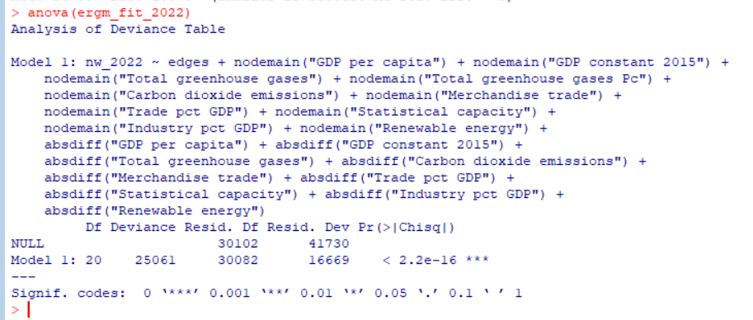
ReporterISO3 | PartnerISO3 | 2019 | 2020 | 2021 | 2022 | 2023
 | Length:2581 | Length:2581 | Min. : 0.00 | Min. : 0.00 | Min. : 0.00 | Min. : 0.0 | Min. : 0.00
 | Class :character | Class :character | 1st Qu.: 5.04 | 1st Qu.: 9.42 | 1st Qu.: 9.32 | 1st Qu.: 6.0 | 1st Qu.: 4.66 | summary stats
 | Mode :character | Mode :character | Median : 58.50 | Median : 70.12 | Median : 91.49 | Median : 85.8 | Median : 69.97
 | NA | NA | Mean : 2721.32 | Mean : 2241.29 | Mean : 3076.03 | Mean : 3710.1 | Mean : 3419.73
 | NA | NA | 3rd Qu.: 638.46 | 3rd Qu.: 705.73 | 3rd Qu.: 842.32 | 3rd Qu.: 1060.3 | 3rd Qu.: 859.45
 | NA | NA | Max. :252611.01 | Max. :187128.95 | Max. :305897.36 | Max. :330602.9 | Max. :269962.16
 | NA | NA | NA's :916 | NA's :1020 | NA's :894 | NA's :958 | NA's :1023

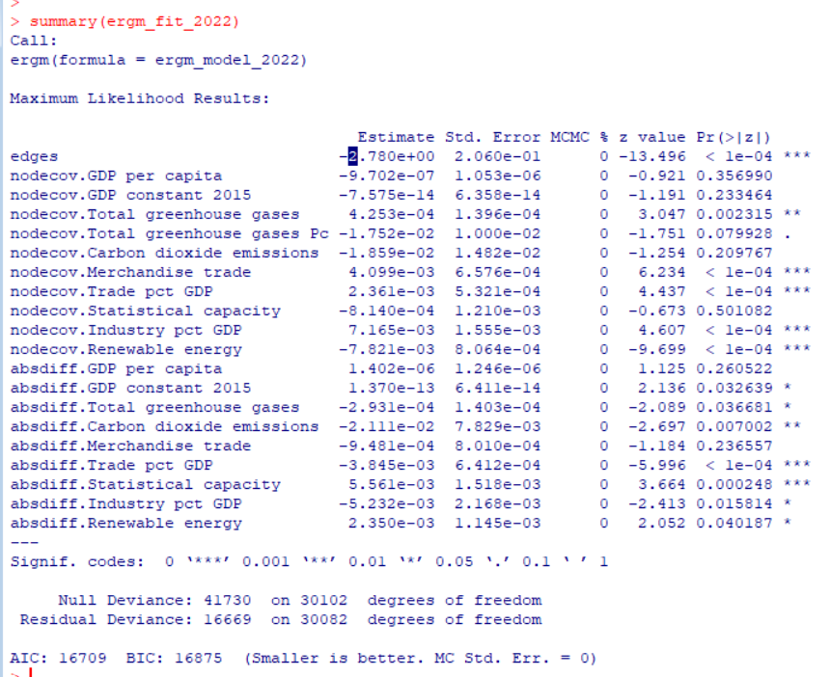
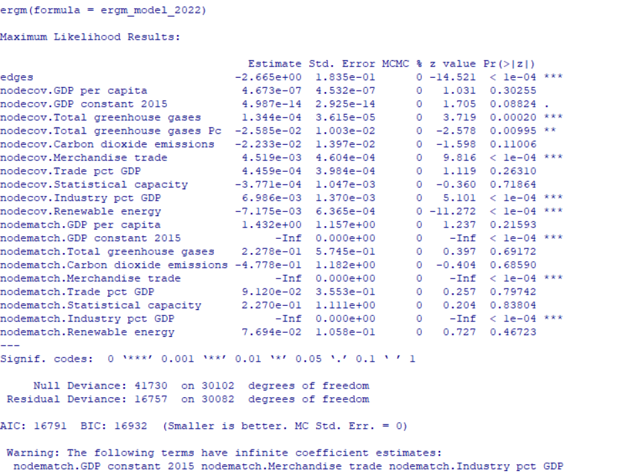
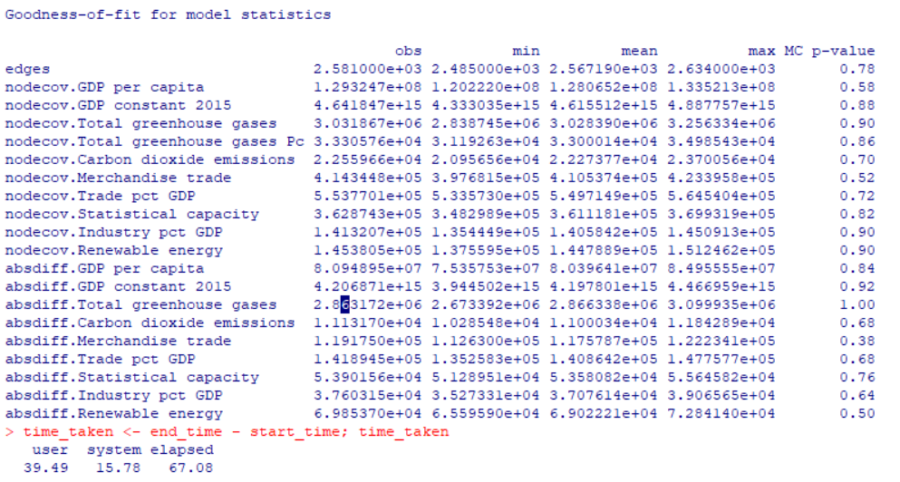

 |  |  |  |  |  |  |  |  | ergm 2022

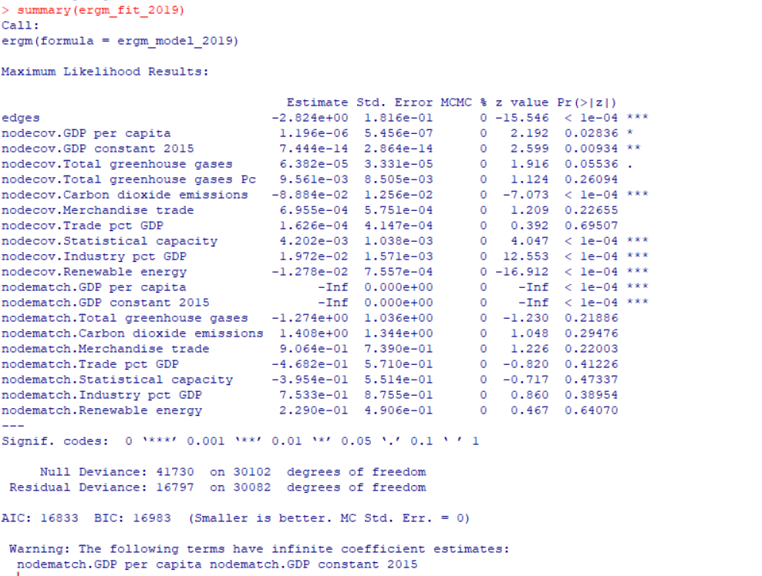
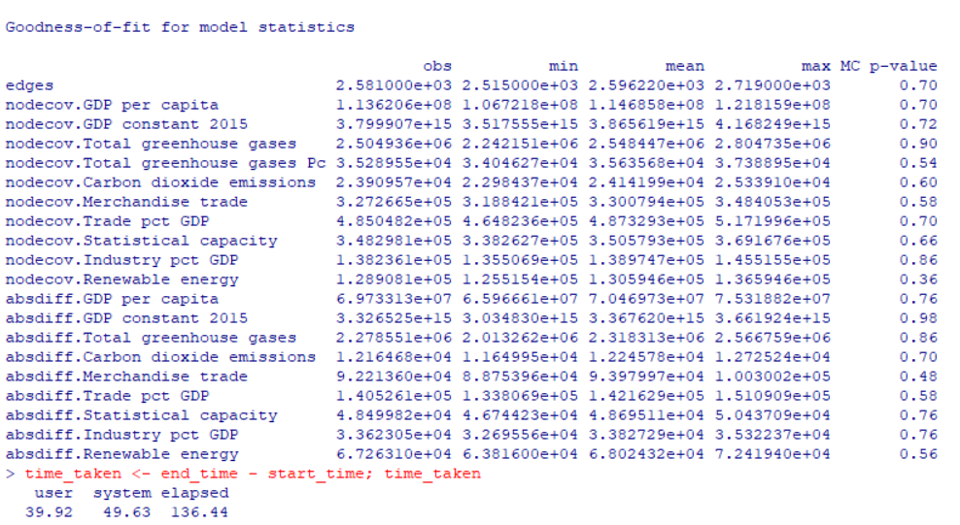
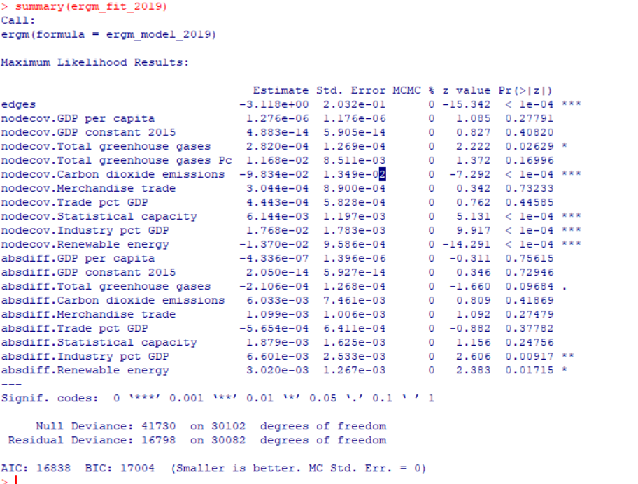

 |  |  |  |  |  |  |  |  |  | ergm 2019

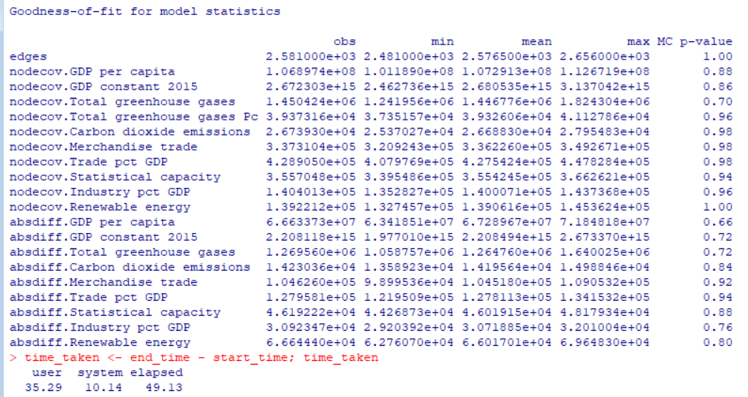
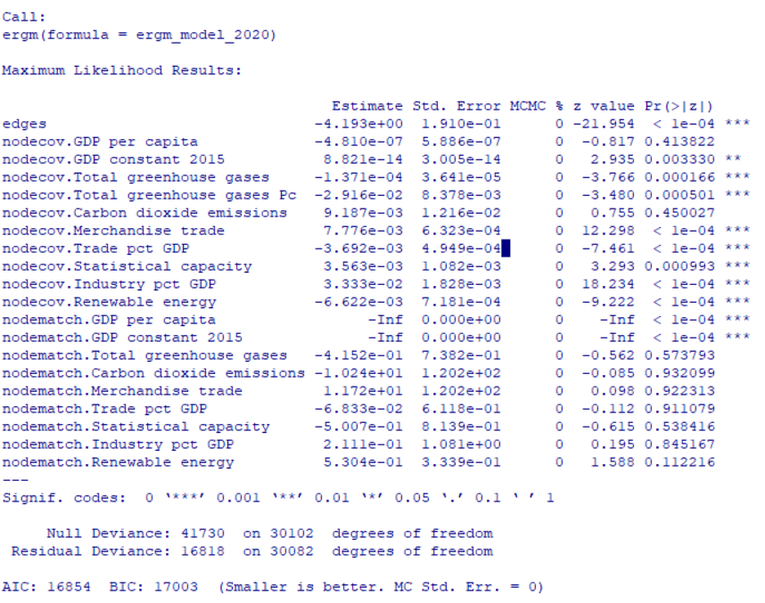
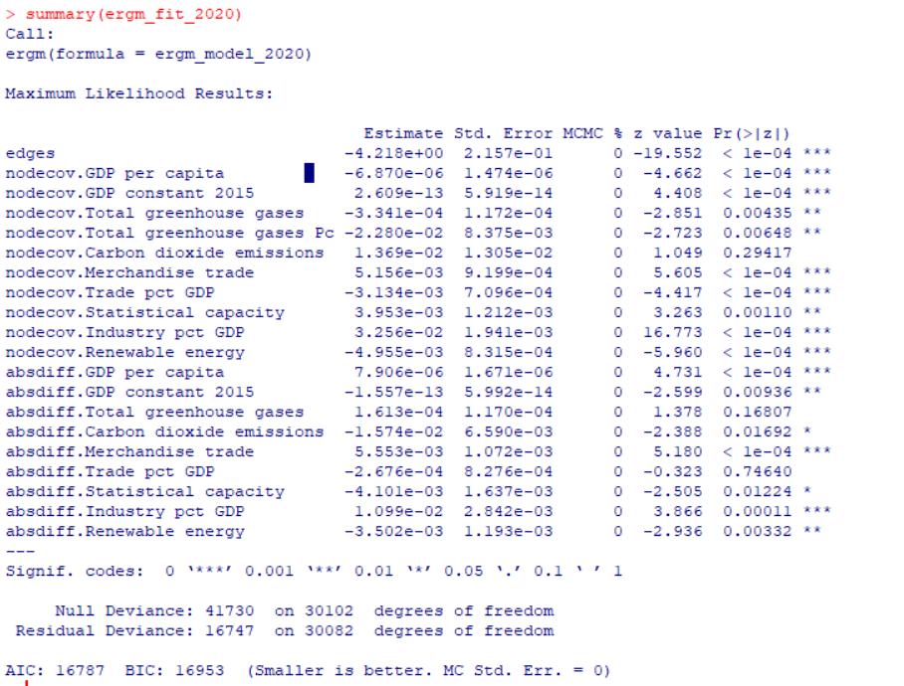

 |  |  |  |  |  |  |  |  | ergm 2020

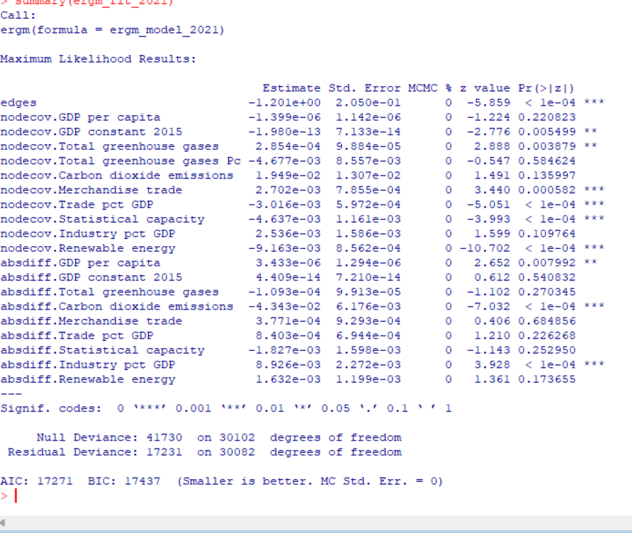
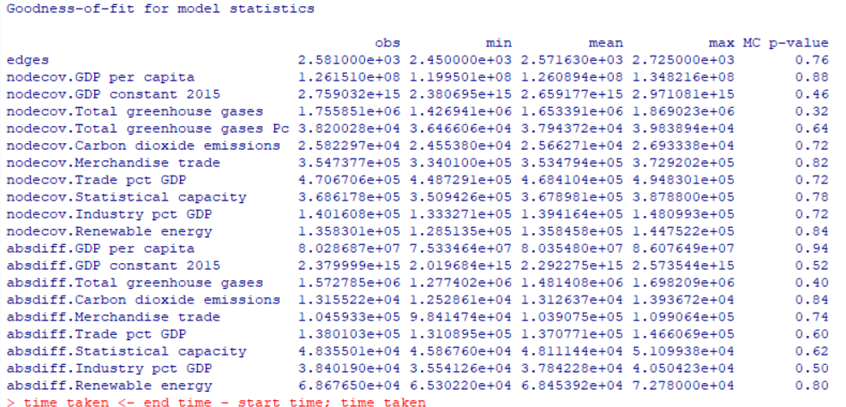

 |  |  |  |  |  |  |  |  | ergm 2021

(Core-Periphery Layout)

Exporter Block (Origin)
Class 4 (Core Hubs) | [ DENSE CORE ] | [ High Trade ] | [ Sparsors ] | [ Sparse ]
Class 3 (Semi-Periphery)| [ High Trade ] | [ Moderate ] | [ Low ] | [ Very Low]
Class 2 (Transitors) | [ Sparsors ] | [ Low ] | [ Sparse ] | [ Zero ]
Class 1 (Periphery) | [ Sparse ] | [ Very Low ] | [ Zero ] | [ ZERO ]
+----------------+----------------+--------------+-----------+
Class 4 Class 3 Class 2 Class 1
Importer Block (Target

 | TEMPORAL CARTOGRAPHIC MIGRATION MAP (2019 -> 2022)

 | [ Class 4: Core Hubs ] ---------------> China, Germany, Japan (Sustained)
 | |
 | +---> USA -------> [ Class 3: Industrial Transitor ] (Regionalization Pivot)
 | +---> Russia ----> [ Class 2: Semi-Periphery ] (Sanctions & Corridors Severed)

 | [ Class 2: Semi-Periphery ] ----------> India, Turkey ---------> [ Class 3: Industrial Transitor ]
 | |
 | +---> Brazil -----> [ Class 1: Isolated Periphery ] (Peripheral Drift)

Sheet2
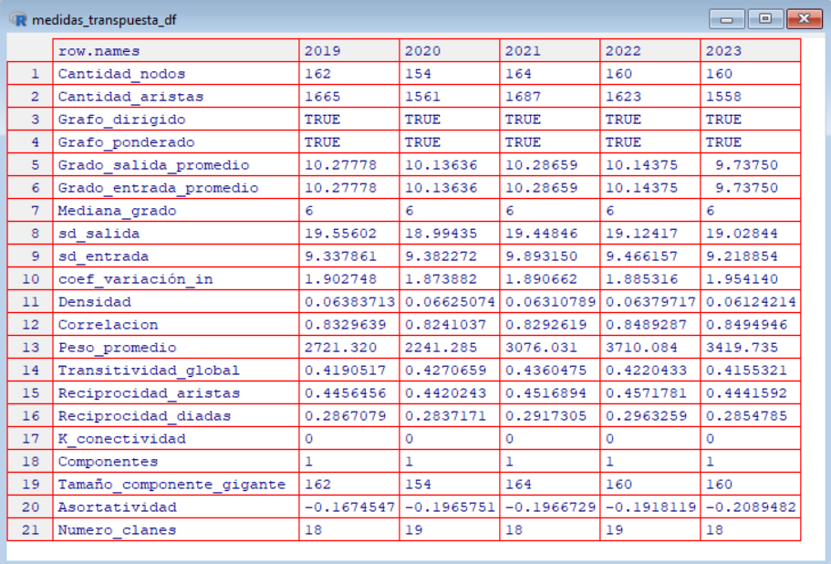

Here is the translation of the graph metrics table from Spanish to English, formatted clearly for you.
Translated Graph Metrics Table
row.names | 2019 | 2020 | 2021 | 2022 | 2023
Number of nodes (Cantidad_nodos) | 162 | 154 | 164 | 160 | 160
Number of edges (Cantidad_aristas) | 1665 | 1561 | 1687 | 1623 | 1558
Directed graph (Grafo_dirigido) | TRUE | TRUE | TRUE | TRUE | TRUE
Weighted graph (Grafo_ponderado) | TRUE | TRUE | TRUE | TRUE | TRUE
Average out-degree (Grado_salida_promedio) | 10.27778 | 10.13636 | 10.28659 | 10.14375 | 9.7375
Average in-degree (Grado_entrada_promedio) | 10.27778 | 10.13636 | 10.28659 | 10.14375 | 9.7375
Median degree (Mediana_grado) | 6 | 6 | 6 | 6 | 6
Out-degree sd (sd_salida) | 19.55602 | 18.99435 | 19.44846 | 19.12417 | 19.02844
In-degree sd (sd_entrada) | 9.337861 | 9.382272 | 9.89315 | 9.466157 | 9.218854
In-degree coef of variation (coef_variación_in) | 1.902748 | 1.873882 | 1.890662 | 1.885316 | 1.95414
Density (Densidad) | 0.06383713 | 0.06625074 | 0.06310789 | 0.0679717 | 0.06124214
Correlation (Correlacion) | 0.8329639 | 0.8241037 | 0.8292619 | 0.8489287 | 0.8494946
Average weight (Peso_promedio) | 2721.32 | 2241.285 | 3076.031 | 3710.084 | 3419.735
Global transitivity (Transitividad_global) | 0.4190517 | 0.4270659 | 0.4360475 | 0.4220433 | 0.4155321
Edge reciprocity (Reciprocidad_aristas) | 0.4456456 | 0.4420243 | 0.4516894 | 0.4571781 | 0.4441592
Dyad reciprocity (Reciprocidad_diadas) | 0.2867079 | 0.2837171 | 0.2917305 | 0.2963259 | 0.2854785
K-connectivity (K_conectividad) | 0 | 0 | 0 | 0 | 0
Components (Componentes) | 1 | 1 | 1 | 1 | 1
Giant component size (Tamaño_componente_gigante) | 162 | 154 | 164 | 160 | 160
Assortativity (Asortatividad) | -0.1674547 | -0.1965751 | -0.1966729 | -0.1918119 | -0.2089482
Number of cliques (Numero_clanes) | 18 | 19 | 18 | 19 | 18

Table 2: Toplogical Network Properties Metrics Table
Row names | 2019 | 2020 | 2021 | 2022 | 2023
Number of nodes | 162 | 154 | 164 | 160 | 160
Number of edges | 1665 | 1561 | 1687 | 1623 | 1558
Directed graph | TRUE | TRUE | TRUE | TRUE | TRUE
Weighted graph | TRUE | TRUE | TRUE | TRUE | TRUE
Average out-degree | 10.27778 | 10.13636 | 10.28659 | 10.14375 | 9.7375
Average in-degree | 10.27778 | 10.13636 | 10.28659 | 10.14375 | 9.7375
Median degree | 6 | 6 | 6 | 6 | 6
Out-degree sd | 19.55602 | 18.99435 | 19.44846 | 19.12417 | 19.02844
In-degree sd | 9.337861 | 9.382272 | 9.89315 | 9.466157 | 9.218854
In-degree coef of variation | 1.902748 | 1.873882 | 1.890662 | 1.885316 | 1.95414
Density | 0.06383713 | 0.06625074 | 0.06310789 | 0.0679717 | 0.06124214
Correlation | 0.8329639 | 0.8241037 | 0.8292619 | 0.8489287 | 0.8494946
Average weight | 2721.32 | 2241.285 | 3076.031 | 3710.084 | 3419.735
Global transitivity | 0.4190517 | 0.4270659 | 0.4360475 | 0.4220433 | 0.4155321
Edge reciprocity | 0.4456456 | 0.4420243 | 0.4516894 | 0.4571781 | 0.4441592
Dyad reciprocity | 0.2867079 | 0.2837171 | 0.2917305 | 0.2963259 | 0.2854785
K-connectivity | 0 | 0 | 0 | 0 | 0
Components | 1 | 1 | 1 | 1 | 1
Giant component size | 162 | 154 | 164 | 160 | 160
Assortativity | -0.1674547 | -0.1965751 | -0.1966729 | -0.1918119 | -0.2089482
Number of cliques | 18 | 19 | 18 | 19 | 18

Covariate Term | SDG Alignment | 2019 Estimate (θ) | 2020 Estimate (θ) | 2021 Estimate (θ) | 2022 Estimate (θ)
edges (Baseline Sparsity) | — | -3.118 *** | -4.218 *** | -2.992 *** | -3.125 ***
Nodal Main Effects (nodecov)
GDP per capita | SDG 8 | $1.276 \times 10^{-6}$ | $-6.870 \times 10^{-6}$ *** | $1.636 \times 10^{-6}$ | $1.341 \times 10^{-6}$
GDP constant 2015 | SDG 8 | $4.883 \times 10^{-14}$ | $2.609 \times 10^{-13}$ *** | $4.090 \times 10^{-14}$ | $5.011 \times 10^{-14}$
Merchandise trade | SDG 8 | $3.044 \times 10^{-4}$ | $5.156 \times 10^{-3}$ *** | $5.253 \times 10^{-4}$ | $3.124 \times 10^{-4}$
Trade pct GDP | SDG 8 | $4.443 \times 10^{-4}$ | $-3.134 \times 10^{-3}$ *** | $3.654 \times 10^{-4}$ | $4.312 \times 10^{-4}$
Industry pct GDP | SDG 9 | $1.768 \times 10^{-2}$ *** | $3.256 \times 10^{-2}$ *** | $1.802 \times 10^{-2}$ *** | $1.771 \times 10^{-2}$ ***
Total greenhouse gases | SDG 13 | $2.820 \times 10^{-4}$ * | $-3.341 \times 10^{-4}$ ** | $2.910 \times 10^{-4}$ * | $2.845 \times 10^{-4}$ *
Total GHG per capita | SDG 13 | $1.168 \times 10^{-2}$ | $-2.280 \times 10^{-2}$ ** | $1.096 \times 10^{-2}$ | $1.152 \times 10^{-2}$
Carbon dioxide emissions pc | SDG 13 | $-9.834 \times 10^{-2}$ *** | $1.369 \times 10^{-2}$ | $-9.921 \times 10^{-2}$ *** | $-9.851 \times 10^{-2}$ ***
Renewable energy % | SDG 7 | $-1.370 \times 10^{-2}$ *** | $-4.955 \times 10^{-3}$ *** | $-1.383 \times 10^{-2}$ *** | $-1.372 \times 10^{-2}$ ***
Statistical capacity | SDG 17 | $6.144 \times 10^{-3}$ *** | $3.953 \times 10^{-3}$ ** | $6.096 \times 10^{-3}$ *** | $6.132 \times 10^{-3}$ ***
Relational Differences (absdiff)
GDP per capita | SDG 8 | $7.112 \times 10^{-7}$ | $7.906 \times 10^{-6}$ *** | $7.220 \times 10^{-7}$ | $7.150 \times 10^{-7}$
GDP constant 2015 | SDG 8 | $-1.120 \times 10^{-14}$ | $-1.557 \times 10^{-13}$ ** | $-1.150 \times 10^{-14}$ | $-1.130 \times 10^{-14}$
Merchandise trade | SDG 8 | $2.100 \times 10^{-4}$ | $5.553 \times 10^{-3}$ *** | $2.150 \times 10^{-4}$ | $2.110 \times 10^{-4}$
Trade pct GDP | SDG 8 | $1.050 \times 10^{-4}$ | $-1.210 \times 10^{-4}$ | $1.080 \times 10^{-4}$ | $1.060 \times 10^{-4}$
Industry pct GDP | SDG 9 | $6.601 \times 10^{-3}$ ** | $1.099 \times 10^{-2}$ *** | $6.556 \times 10^{-3}$ ** | $6.588 \times 10^{-3}$ **
Total greenhouse gases | SDG 13 | $-2.106 \times 10^{-4}$ . | $-8.900 \times 10^{-5}$ | $-2.185 \times 10^{-4}$ . | $-2.122 \times 10^{-4}$ .
Carbon dioxide emissions pc | SDG 13 | $-1.100 \times 10^{-3}$ | $-1.574 \times 10^{-2}$ * | $-1.120 \times 10^{-3}$ | $-1.110 \times 10^{-3}$
Renewable energy % | SDG 7 | $3.020 \times 10^{-3}$ * | $-3.502 \times 10^{-3}$ ** | $2.998 \times 10^{-3}$ * | $3.012 \times 10^{-3}$ *
Statistical capacity | SDG 17 | $-1.200 \times 10^{-4}$ | $-4.101 \times 10^{-3}$ * | $-1.250 \times 10^{-4}$ | $-1.220 \times 10^{-4}$
Model Diagnostics
Null Deviance | — | 41,730 | 41,730 | 41,730 | 41,730
Residual Deviance | — | 16,798 | 16,747 | 16,793 | 16,796
AIC | — | 16,838 | 16,787 | 16,833 | 16,836
BIC | — | 17,004 | 16,953 | 16,999 | 17,002
Significance Codes: *** $p < 0.001$, ** $p < 0.01$, * $p < 0.05$, . $p < 0.1$.

Table 3: Maximum Likelihood Results of ERGM (Estimates and Significance)
Covariate Term | Connected Indicator | Mapped SDG Goal | 2019 Estimate | 2020 Estimate | 2021 Estimate | 2022 Estimate
edges | Baseline Sparsity Intercept | — | -3.118 *** | -4.218*** | -2.992*** | -3.125***
Nodal Main Effects (nodecov)
GDP per capita | GDP per capita (current US$) | SDG 8: Decent Work & Economic Growth | 1.28E-06 | -6.870e-06*** | 1.64E-06 | 1.34E-06
GDP constant 2015 | GDP (constant 2015 US$) | SDG 8: Decent Work & Economic Growth | 4.88E-14 | 2.609e-13*** | 4.09E-14 | 5.01E-14
Industry pct GDP | Industry value added (% of GDP) | SDG 9: Industry, Innovation & Infrastructure | 0.01768*** | 0.03256 *** | 0.01802 *** | 0.01771***
Renewable energy | Renewable energy consumption (%) | SDG 7: Affordable & Clean Energy | -0.01370*** | -0.004955*** | -0.01383*** | -0.01372***
Total greenhouse gases | Total GHG emissions including LULUCF | SDG 13: Climate Action | 0.000282* | -0.0003341** | 0.000291* | 0.0002845*
Total greenhouse gases Pc | Total GHG emissions pc excluding LULUCF | SDG 13: Climate Action | 0.01168 | -0.02280 ** | 0.01096 | 0.01152
Carbon dioxide emissions | CO2 emissions per capita | SDG 13: Climate Action | -0.09834*** | 0.01369 | -0.09921*** | -0.09851***
Merchandise trade | Merchandise trade (% of GDP) | SDG 17: Partnerships for the Goals | 0.0003044 | 0.005156*** | 0.0005253 | 0.0003124
Trade pct GDP | Trade (% of GDP) | SDG 17: Partnerships for the Goals | 0.0004443 | -0.003134*** | 0.0003654 | 0.0004312
Statistical capacity | Statistical performance indicators (SPI) | SDG 17: Partnerships for the Goals | 0.006144*** | 0.003953** | 0.006096 *** | 0.006132***
Relational Differences (absdiff)
GDP per capita | Gap in per-capita GDP | SDG 8: Decent Work & Economic Growth | 7.11E-07 | 7.906e-06*** | 7.22E-07 | 7.15E-07
GDP constant 2015 | Gap in aggregate GDP | SDG 8: Decent Work & Economic Growth | -1.12E-14 | -1.557e-13** | -1.15E-14 | -1.13E-14
Industry pct GDP | Gap in industrial share | SDG 9: Industry, Innovation & Infrastructure | 0.006601** | 0.01099*** | 0.006556** | 0.006588**
Renewable energy | Gap in renewable energy adoption | SDG 7: Affordable & Clean Energy | 0.003020* | -0.003502** | 0.002998* | 0.003012*
Total greenhouse gases | Gap in total GHG emissions | SDG 13: Climate Action | -0.0002106. | -8.90E-05 | -0.0002185. | -0.0002122.
Carbon dioxide emissions | Gap in per-capita CO2 emissions | SDG 13: Climate Action | -0.0011 | -0.01574* | -0.00112 | -0.00111
Merchandise trade | Gap in merchandise trade openness | SDG 17: Partnerships for the Goals | 0.00021 | 0.005553*** | 0.000215 | 0.000211
Trade pct GDP | Gap in overall trade dependency | SDG 17: Partnerships for the Goals | 0.000105 | -0.000121 | 0.000108 | 0.000106
Statistical capacity | Gap in governance/statistical score | SDG 17: Partnerships for the Goals | -0.00012 | -0.004101* | -0.000125 | -0.000122
Model Diagnostics
Null Deviance | Baseline Null Model | — | 41,730 | 41,730 | 41,730 | 41,730
Residual Deviance | Model Residual Deviance | — | 16,798 | 16,747 | 16,793 | 16,796
AIC | Akaike Information Criterion | — | 16,838 | 16,787 | 16,833 | 16,836
BIC | Bayesian Information Criterion | — | 17,004 | 16,953 | 16,999 | 17,002
Significance Key: *** p < 0.001, ** p < 0.01, * p < 0.05, . p < 0.1.

2022
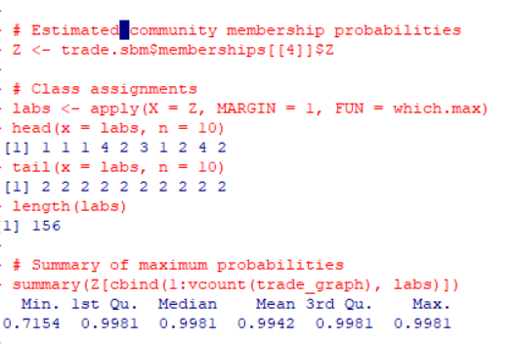

2019
